Sheet1
Story # | Story Description | Test Priority | Test Status | Description of Story | P2P/E2E Integration Requirements | Activity Diagram | Test Step ID | Test Steps Description | Test Input | Expected Outputs | Test Category | Actual Result | Pass/Faile | Defect-ID (JIRA)
 |  |  |  |  |  | (Control Flow) |  |  |  |  |  |  |  | (if Fail)
UDBTEY-137 | Co Applicant - Manual KYC -Data fetched via FinTech API service for Driver's license |  |  | This user story focuses on enabling the system to retrieve and validate co-applicant details from a data aggregator's response to streamline the Manual KYC process. It entails input fields based on a driver's license, data display requirements, storage in the database, and integration with data aggregators. The acceptance criteria cover scenarios with and without data aggregator responses. Pre-conditions to Test: 1.The system is configured and integrated with the necessary FinTech API for data aggregation. 2.The user has initiated the KYC process for a co-applicant using a driver's license as a reference. 3.Appropriate input parameters, including the driver's license number and expiration date, are provided. 4.The data aggregator service is operational and responsive for testing. 5.Test data for both scenarios (with and without data aggregator response) is available and prepared for validation. 6.Quality assurance personnel have access to the system interface for testing purposes. 7.A test environment is set up to isolate testing from the production environment. 8.The database is ready to store the retrieved co-applicant data. 9.The system interface includes the required input fields, data display areas, and a checkbox for OSV documents. 10.Business executives and users have been trained and are familiar with the testing process for this user story. | Data Aggregator Integration: The system must integrate with the Data Aggregator's API. The integration should support secure communication, such as HTTPS. Ensure that authentication and authorization mechanisms are in place for accessing the Data Aggregator's services. FinTech API Integration: The system should integrate with the FinTech API to fetch customer details. Verify that the API endpoints for retrieving customer data are accessible and functional. Implement error handling to gracefully manage API communication issues. Database Integration: Establish integration with the database where customer data will be stored. Define data structures and ensure compatibility with the data retrieved from the Data Aggregator. Validate that data is correctly stored and retrieved from the database during the process. | 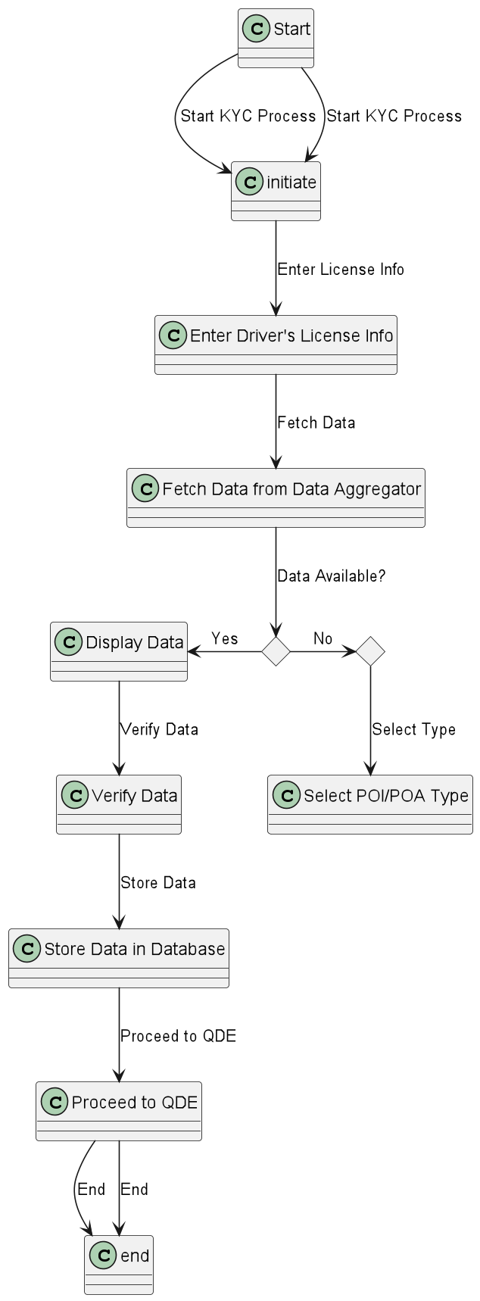 | TC01 | Start KYC process | User initiates the KYC process | The KYC process is successfully initiated. | Positive
 |  |  |  |  |  |  | TC02 | Enter Driver's License Info | Valid Driver's License Number and Expiry Date | User enters valid Driver's License information successfully. | Positive
 |  |  |  |  |  |  | TC03 | Fetch Data from Data Aggregator | Valid Driver's License Number and Expiry Date | The system successfully fetches data from the Data Aggregator. | Positive
 |  |  |  |  |  |  | TC04 | Data Available? | Data is available from the Data Aggregator | The system recognizes data availability and proceeds accordingly. | Positive
 |  |  |  |  |  |  | TC05 | Display Data | Data from Data Aggregator (Sample Data) | The system displays the retrieved data on the screen. | Positive
 |  |  |  |  |  |  | TC06 | Verify Data | Data matches customer discussion | The system verifies the data, and verification is successful. | Positive
 |  |  |  |  |  |  | TC07 | Store Data in Database | Verified data | The system stores the verified data in the database. | Positive
 |  |  |  |  |  |  | TC08 | Proceed to QDE | User clicks on "Proceed" | The KYC process proceeds to Quality Data Entry (QDE) successfully. | Positive
 |  |  |  |  |  |  | TC09 | No Data from Aggregator | Data is not available from the Data Aggregator | The system recognizes data unavailability and proceeds accordingly. | Positive
 |  |  |  |  |  |  | TC10 | Select POI/POA Type | User selects Proof of Identity (POI) or Proof of Address (POA) type | The user successfully selects the POI/POA type. | Positive
 |  |  |  |  |  |  | TC11 | Start KYC process with Invalid License Info | Invalid Driver's License Number and Expiry Date | The system detects invalid input and displays an error message. | Negative
 |  |  |  |  |  |  | TC12 | Fetch Data with Invalid License Info | Invalid Driver's License Number and Expiry Date | The system detects invalid input and displays an error message. | Negative
 |  |  |  |  |  |  | TC13 | Data Available? with No Data | Data is not available from the Data Aggregator | The system recognizes data unavailability and proceeds accordingly. | Negative
 |  |  |  |  |  |  | TC14 | Verify Data with Mismatched Data | Data does not match customer discussion | The system detects data mismatch and displays an error message. | Negative
 |  |  |  |  |  |  | TC15 | Store Data in Database with Missing Data | Incomplete data (missing fields) | The system detects missing data fields and displays an error message. | Negative
 |  |  |  |  |  |  | TC16 | Proceed to QDE with Incomplete Data | User clicks on "Proceed" with incomplete data | The system detects incomplete data and displays an error message. | Negative
 |  |  |  |  |  |  | TC17 | Initiate KYC with No Input | No Driver's License information entered | The system detects missing input and displays an error message. | Negative
 |  |  |  |  |  |  | TC18 | Fetch Data with No Input | No Driver's License information entered | The system detects missing input and displays an error message. | Negative
 |  |  |  |  |  |  | TC19 | Data Available? with Data Aggregator Error Response | Data aggregator returns an error response | The system detects an error response from the Data Aggregator and displays an error message. | Exception

